Admin
Admin login
1 | Go to the the admin domina, displa form
 |  | Admin login |  |  |  |  |  |  | Fixed username: admin
 |  | Please enter your details below: |  |  |  |  |  |  | Fixed password: admin
 |  | Username(textbox)
 |  | Password(textbox)
 |  | Login(button)

2 | Fill up the fields and click the submit button
 |  | Validate if username and password is correct
 |  |  | if yes, login
 |  |  | If no, display message: Username or password incorrect.

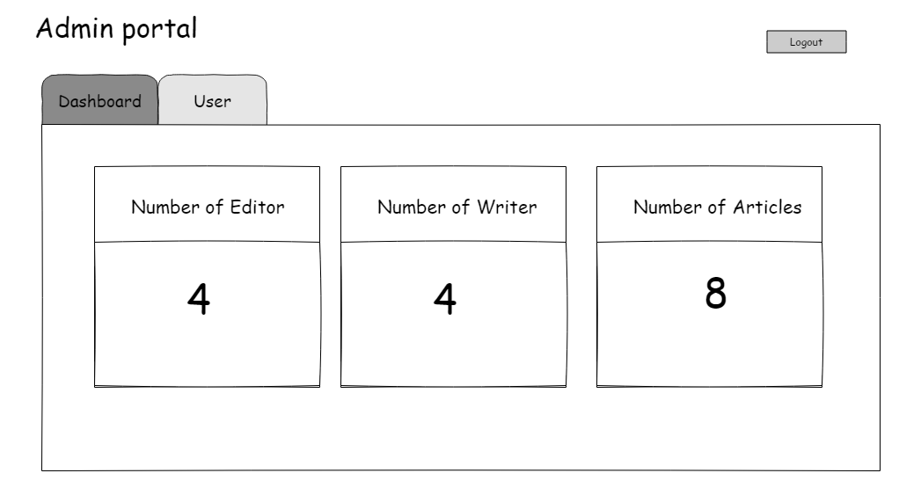
Admins portal
 | After logging in, display form
 |  | Admin portal
 |  | Menu
 |  |  | Dashboard(button-default display)
 |  |  |  | Number of editor
 |  |  |  |  | *Number of users with editor as user level
 |  |  |  | Number of writer
 |  |  |  |  | *Number of writer with editor as user level
 |  |  |  | Number of article
 |  |  |  |  | *Total Number of article saved
 |  |  | User(clickable)
 |  | Logout(button)

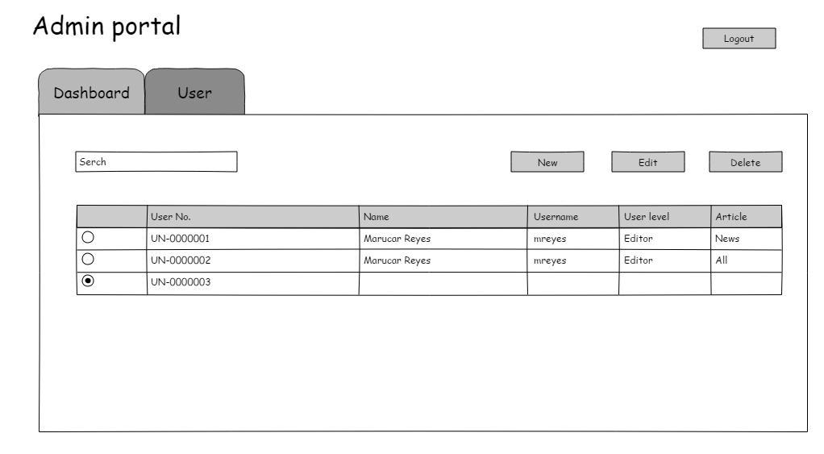
User: How to add a new user
1 | Click the user module, display form
 |  | Search
 |  | new(button)
 |  | Edit(button)
 |  | Delete(button)
 |  | Table contains:
 |  |  | Radio button
 |  |  | User no.
 |  |  | Name
 |  |  | Username
 |  |  | User level
 |  |  | Article

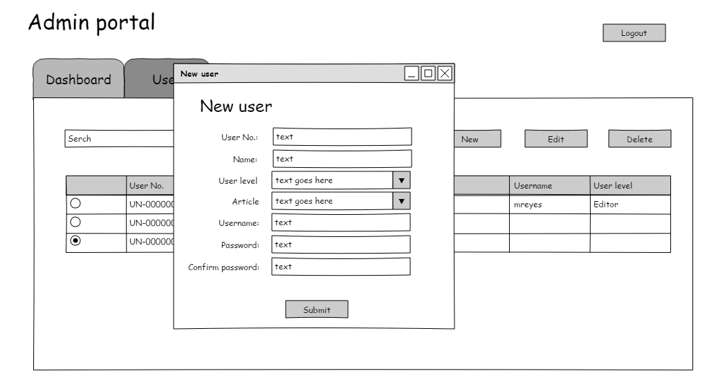

2 | Click the new button, display form
 |  | New user
 |  | User No.(textbox)
 |  | Name(textbox)
 |  | User level(dropdown)
 |  |  | Administrator
 |  |  | Editor
 |  |  | Writer
 |  |  | Student
 |  | Article:
 |  |  | All
 |  |  | News
 |  |  | Entertainment
 |  |  | Sports
 |  |  |  | *Display this dropdown field if user level is WRITER OR EDITOR ONLY, otherwise do now display the Article dropdown
 |  |  |  | **This will indicate what type of articles can be created by the writer or edited by the editor
 |  |  |  | ***If News is chosen, that means that the writer can only create news article or the editor can only edit news articles
 |  |  |  | ****If ALL is chosen, that means that the writer can create article type or the editor can edit any article type
 |  | Username(textbox)
 |  | Password(textbox)
 |  | Confirm password(textbox)
 |  | Submit(button)
 |  |  | *All fields are required

3 | Fill up the fields and click submit button
 |  | Validate if all required fields have been filled up
 |  |  | If yes, continue
 |  |  | If no, display message: Please make sure that all the required fields have been filled up.
 |  |  |  |  |  |  |  | ok(button)

4 | Display message: Are you sure you want to save this user?
 |  |  |  |  |  | Yes/No(button)

 |  |  | If yes, save user
 |  |  | If no, stay on form

4 | Click yes, display message: You have successfully saved the user.
 |  |  |  |  |  |  | ok(button)

 |  | *Update the form
 |  | **users with editor user level will login in the editor portal
 |  | ***users with writer user level will login in the writer portal
 |  | ****users with Student user level will login in the student portal
 |  | ****users with administrator user level will login in the admin portal

Writer
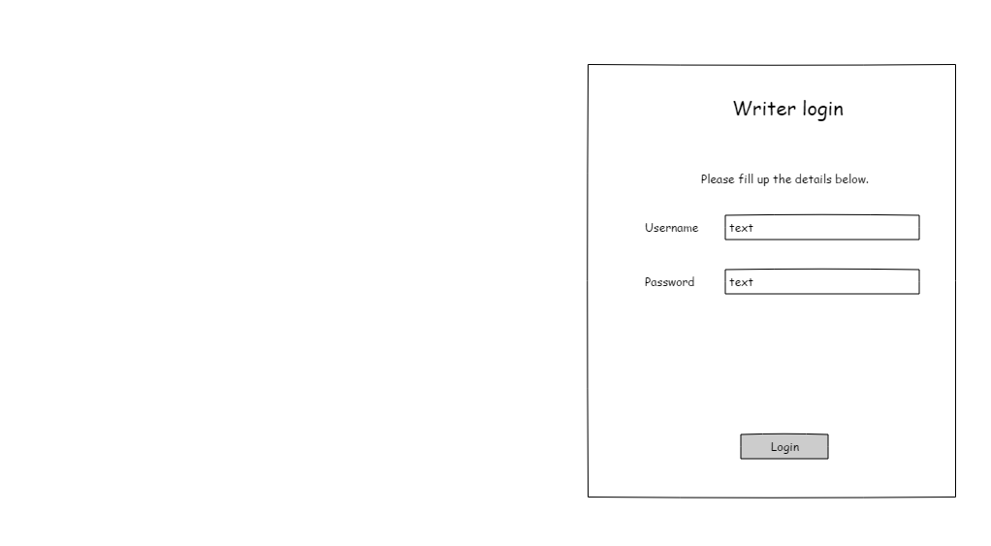
Writer login
1 | Go to the the writer domain, display form
 |  | Writer login
 |  | Please enter your details below:
 |  | Username(textbox)
 |  | Password(textbox)
 |  | Login(button)
 |  |  |  | *Login details will be from the admin

2 | Fill up the fields and click the submit button
 |  | Validate if username and password is correct
 |  |  | if yes, login
 |  |  | If no, display message: Username or password incorrect.

3 | If successful, proceed to Writer portal dashboard

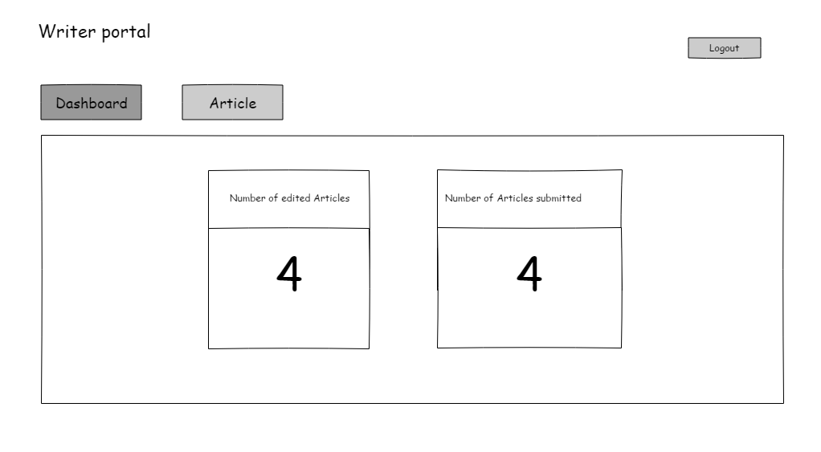
Writer portal
 | After loggin in, display form
 |  | Writer portal
 |  | Menu:
 |  |  | Dashboard(button-default display)
 |  |  |  | Numeber of edited article
 |  |  |  |  | *Display number of created article by user that has an edited status
 |  |  |  | Number of article submitted
 |  |  |  |  | *Display total number of articles submitted by the writer

 |  |  | Article(button)
 |  | Logout

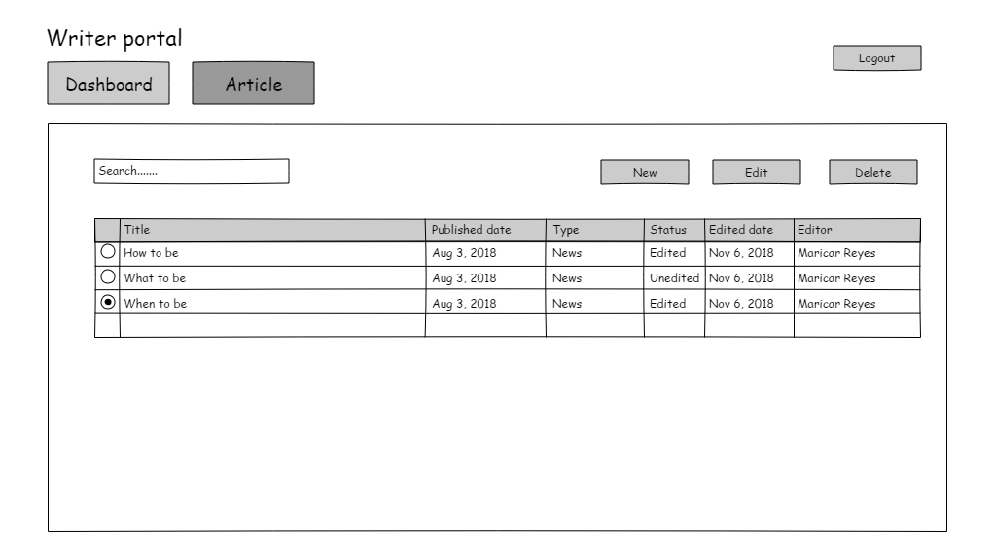
Article: How to submit an article
1 | Click the article menu, display form
 |  | Search bar
 |  | New(button)
 |  | Edit(button)
 |  | Delete(button)
 |  | Table contains:
 |  |  | Radio button
 |  |  | Published date
 |  |  | Type
 |  |  | Status
 |  |  |  | Edited
 |  |  |  | Unedited
 |  |  | Edited date
 |  |  | Editor

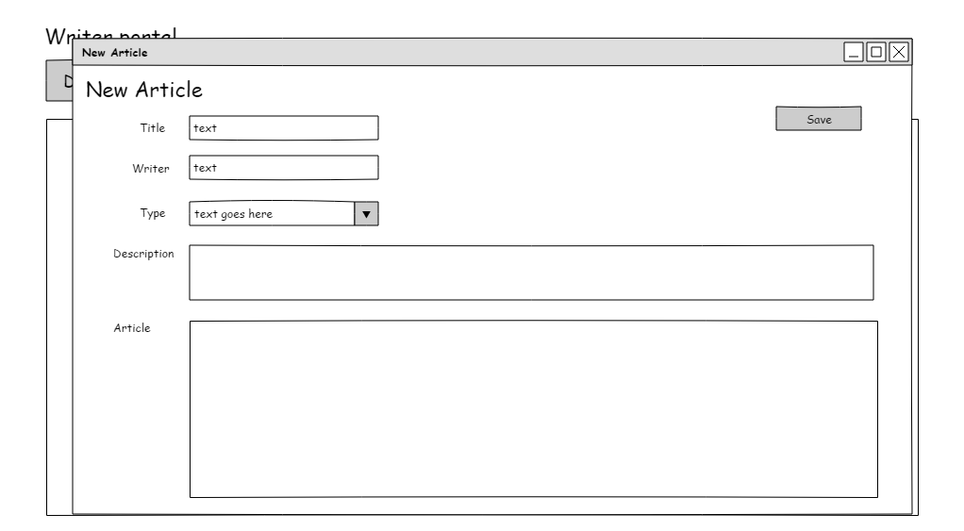
2 | Click the new button, display form
 |  | New form
 |  | Title(textbox)
 |  | Writer(textbox)
 |  | Type(dropdown)
 |  |  | New
 |  |  | Sports
 |  |  | Entertainment
 |  |  |  | *Will depend on the setup in admin, as to what type of articles can this writer add
 |  | Description(textbox)
 |  | Article(textbox)
 |  | Save(button)
 |  |  | *All fields are required

2 | Fill up the required fields and click save
 |  | Validate if all required fields have been filled up
 |  |  | If yes, continue
 |  |  | If no, display message: Please make sure that all the required fields have been filled up.
 |  |  |  |  |  |  | ok(button)

3 | Display message: Are you sure you want to save this article?
 |  |  |  |  |  | Yes/No (button)
 |  |  | if yes, save
 |  |  | If no, don't save

4 | Click save button, display message: Article was successfully saved.

Editor
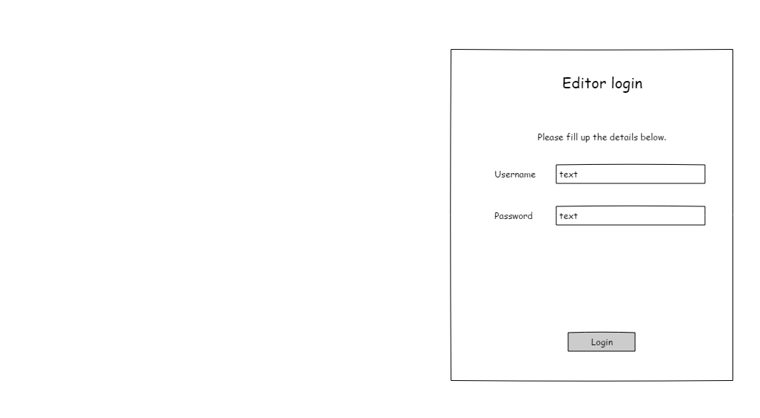
Editor login
1 | Go to the the writer domain, display form
 |  | Writer login
 |  | Please enter your details below:
 |  | Username(textbox)
 |  | Password(textbox)
 |  | Login(button)
 |  |  |  | *Login details will be from the admin

2 | Fill up the fields and click the submit button
 |  | Validate if username and password is correct
 |  |  | if yes, login
 |  |  | If no, display message: Username or password incorrect.

3 | If successful, proceed to editor portal dashboard

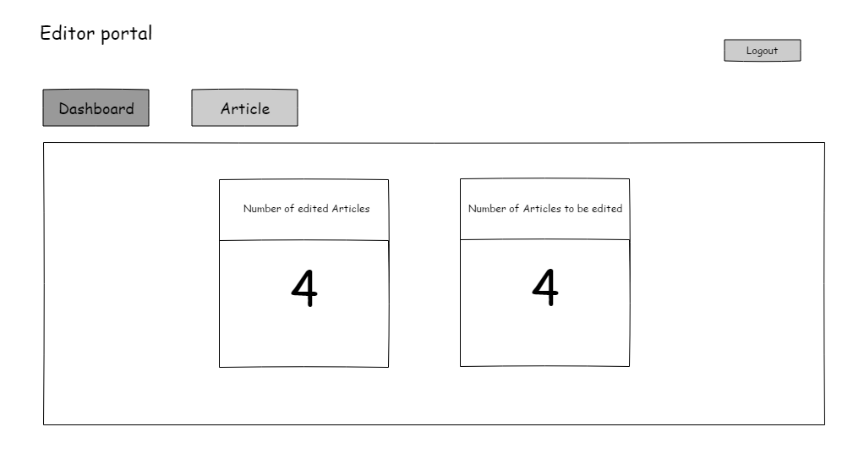
Editor portal
 | After logging in, display form
 |  | Writer portal
 |  | Menu:
 |  |  | Dashboard(button-default display)
 |  |  |  | Numeber of edited article
 |  |  |  |  | *Display number of article that has an edited status
 |  |  |  | Number of article to be edited
 |  |  |  |  | *Display total number of articles with an unedited status

 |  |  | Article(button)
 |  | Logout

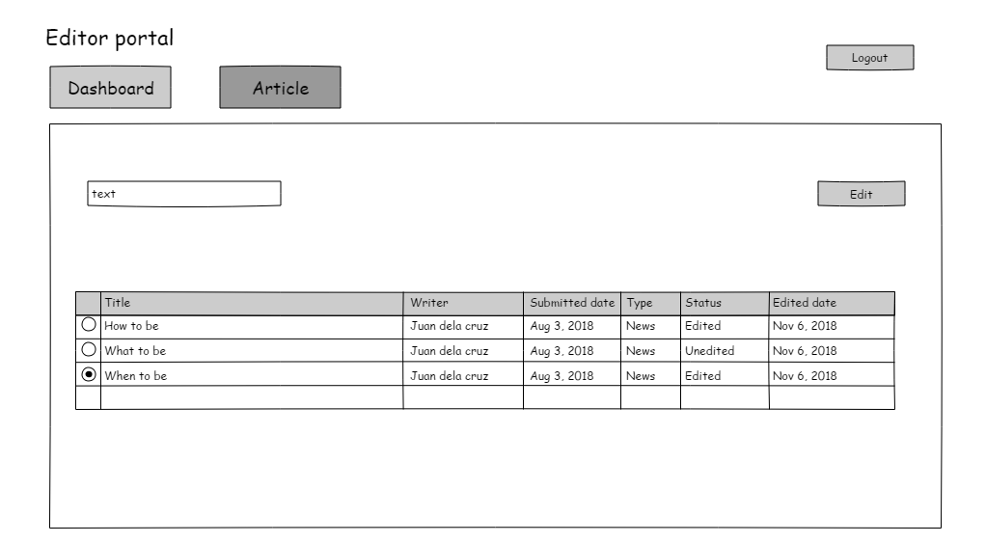
Editor portal: How to edit an article
1 | Click the article menu, display form
 |  | Searbar
 |  | Table contains:
 |  |  | Radio button
 |  |  | Title
 |  |  | Writer
 |  |  | Submitted date
 |  |  |  | *Date that the article was submitted or saved by the writer
 |  |  | Type
 |  |  | Status
 |  |  |  | Edited
 |  |  |  | Unedited
 |  |  | Edited date
 |  |  |  | Date where the editor saved the article
 |  |  |  |  | *the only articles to be displayed here are the articles created by the writer
 |  |  |  |  |  | with the same article type, with the editor
 |  |  |  |  | *example, if editor has a "News" article type, the only data to be displayed
 |  |  |  |  |  | here are the articles with "News" as their article type
 |  |  |  |  | *example 2, if editor has a "All" article type, the data to be displayed
 |  |  |  |  |  | here are all the articles


2 | Select an article and click the edit button, display form
 |  | Edit article
 |  | Save(button)
 |  | Title(Auto generated-non editbale)
 |  | Writer(Auto generated-non editbale)
 |  | Type(Auto generated-non editbale)
 |  | Description(editble)
 |  | Article(editable)

3 | Edit data as necessary, click the submit button
 |  | Display message: Are you sure you want to save the changes you've made?"
 |  |  |  |  |  |  | Yes/No(button)
 |  |  | If yes, save
 |  |  | If no, stay on the form

4 | Click yes button, display message: You have successfully edited this article.
 |  |  |  |  |  |  |  | ok(button)

Student
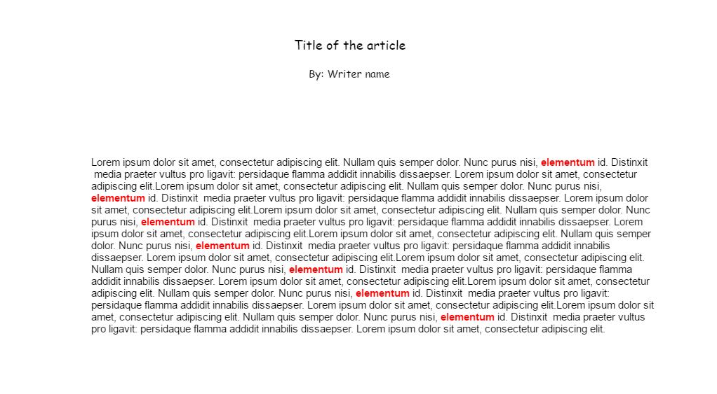
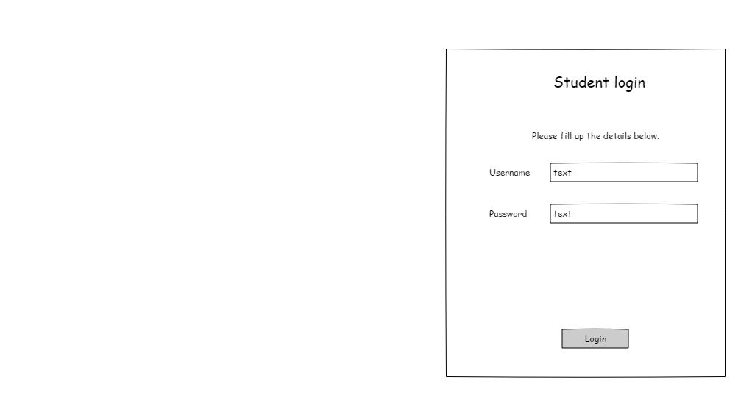
Student portal
1 | Go to the the student domain, display form
 |  | Student login
 |  | Please enter your details below:
 |  | Username(textbox)
 |  | Password(textbox)
 |  | Login(button)
 |  |  |  | *Login details will be from the admin

2 | Fill up the fields and click the submit button
 |  | Validate if username and password is correct
 |  |  | if yes, login
 |  |  | If no, display message: Username or password incorrect.

3 | If successful, proceed to Student portal dashboard

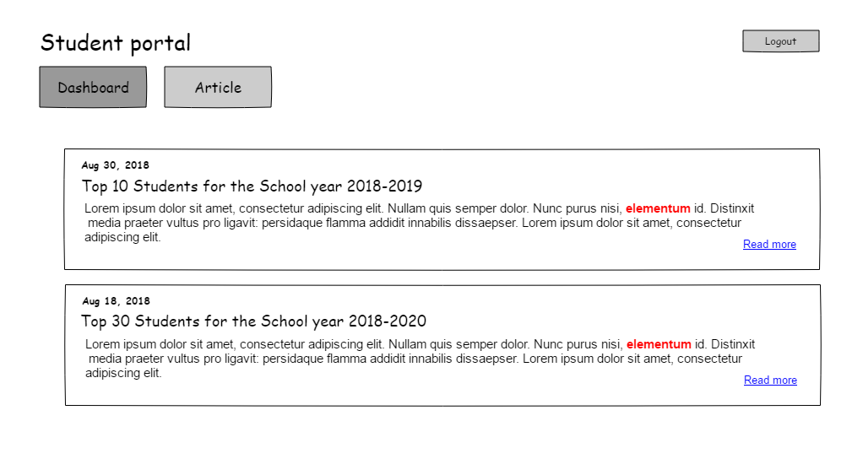
Student portal
1 | After loggin in, display form
 |  | Student portal
 |  | Menu:
 |  |  | Dashboard(default display)
 |  |  |  | <Announcements>
 |  |  |  | Date of announcement
 |  |  |  | Title of announcement
 |  |  |  | First 150 characters of announcement
 |  |  |  | read more(link)

 |  |  | Article(button)
 |  | Logout(button)

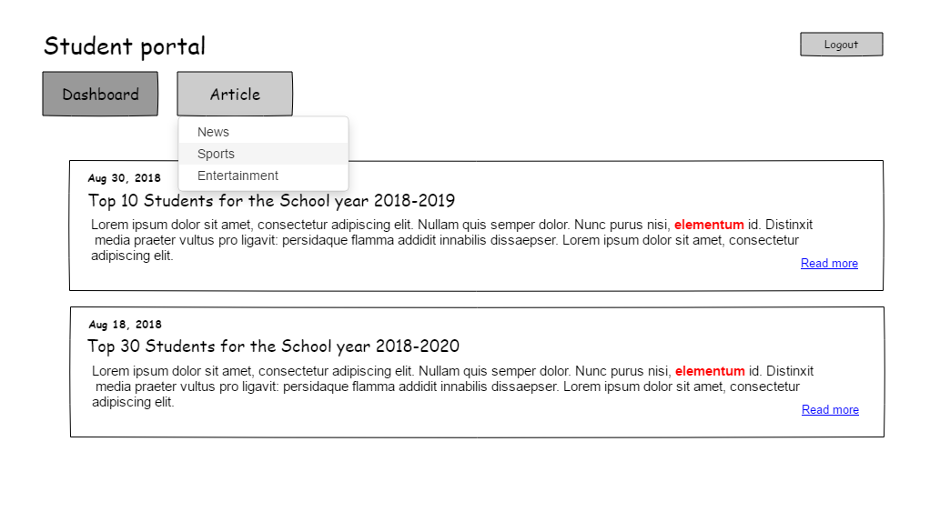
Student portal: How to view Articles
1 | Click the Article menu, displat dropdown
 |  | News
 |  | Sports
 |  | Entertainment

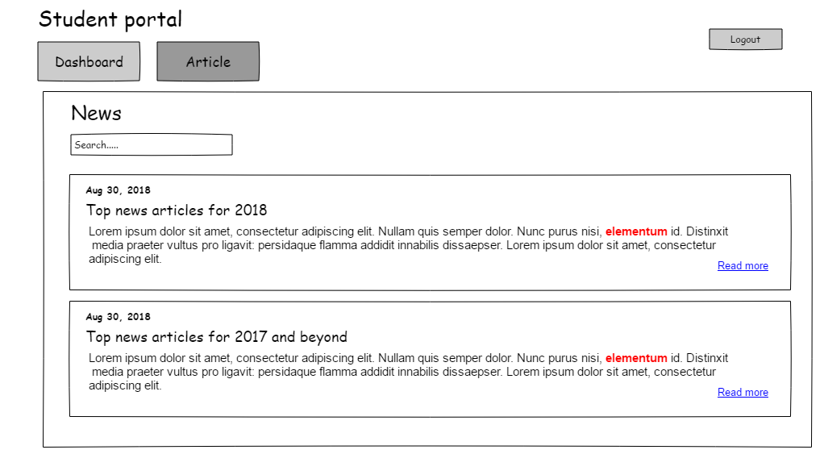
2 | Click the desired article type, display form
 |  | News, Sports, entertainment
 |  | Search bar
 |  | List of article, display
 |  |  | Date of article
 |  |  |  | Edit Date
 |  |  | Title of article
 |  |  | Description of article
 |  |  | Read more(link)
 |  |  |  | *Data to be displayed here comes from the Editor, the latest edited file
 |  |  |  | **Data to be presented here, will depend from the article type chosen
 |  |  |  |  | if news was chosen from the dropdown, only news articles will be displayed

3 | Click the readmore link, open in new tab

